Sheet1
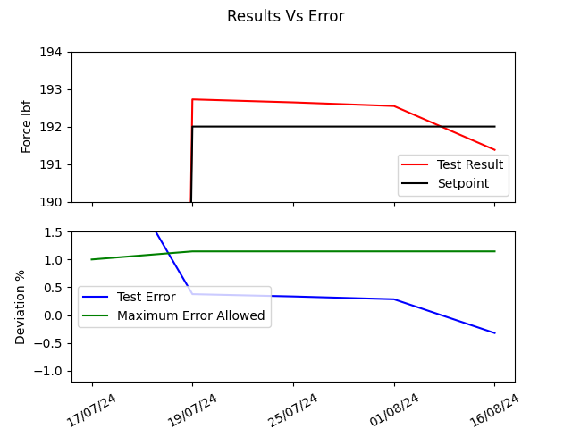
Date & Time | Setpoint | Test Result | Test Error | Maximum Error Allowed
17/07/24 | 19.998384198 | 20.690607967 | 3.4613984928 | 1
19/07/24 | 192 | 192.72348482 | 0.37681501096 | 1.145833553
25/07/24 | 192 | 192.64379682 | 0.33531084425 | 1.145833553
01/08/24 | 192 | 192.54684546 | 0.28481534557 | 1.145833553
16/08/24 | 192 | 191.37987043 | -0.32298415214 | 1.145833553

